HeatMap
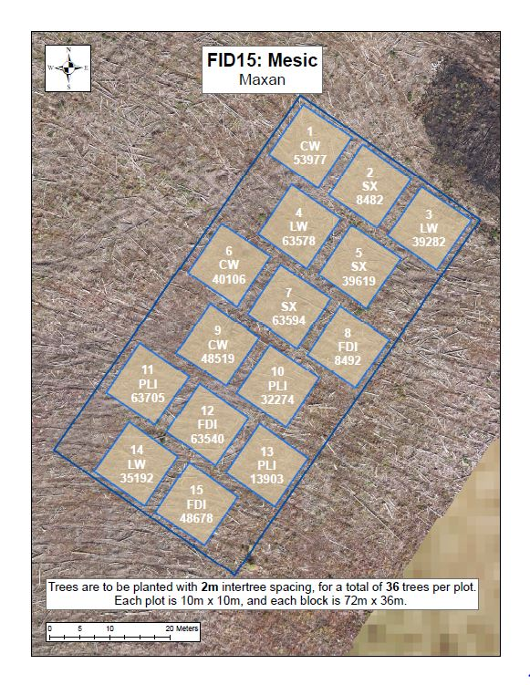
Good | Good | Good | Good | Good | Fair | Good | Fair | Good | Fair | Good | Good | Poor | Fair | Fair | Poor | Good | Poor
Fair | Good | Fair | Poor | Fair | Fair | Good | Good | Good | Good | Good | Good | Good | Poor | Fair | Moribund | Poor | Fair
Fair | Poor | Fair | Fair | Fair | Fair | Good | Good | Good | Good | Good | Good | Fair | Poor | Fair | Fair | Fair | Good
Good | Fair | Fair | Good | Good | Good | Good | Good | Good | Good | Good | Good | Poor | Fair | Fair | Poor | Poor | Poor
Good | Fair | Good | Good | Good | Good | Good | Good | Good | Good | Good | Fair | Poor | Poor | Poor | Poor | Fair | Poor
Fair | Good | Fair | Good | Good | Good | Good | Good | Good | Good | Good | Good | Poor | Fair | Fair | Fair | Poor | Fair
 |  |  | Fair | Moribund | Good | Good | Moribund | Good | Good | Good | Good | Good | Good | Good
 |  |  | Fair | Good | Good | Fair | Poor | Fair | Good | Good | Good | Good | Good | Good
 |  |  | Fair | Good | Good | Good | Good | Good | Good | Good | Good | Good | Good | Good
 |  |  | Fair | Good | Good | Good | Fair | Good | Good | Good | Good | Good | Good | Good
 |  |  | Good | Fair | Poor | Good | Good | Fair | Good | Good | Good | Good | Fair | Fair
 |  |  | Good | Poor | Good | Good | Good | Good | Good | Good | Good | Good | Good | Good
Good | Fair | Good | Good | Fair | Good | Good | Fair | Good | Good | Fair | Good | Fair | Good | Good | Good | Fair | Good
Good | Fair | Good | Good | Good | Good | Fair | Fair | Fair | Good | Fair | Fair | Fair | Good | Fair | Good | Good | Good
Good | Fair | Good | Fair | Good | Fair | Good | Good | Good | Good | Good | Fair | Good | Good | Good | Good | Good | Good
Good | Good | Fair | Fair | Fair | Fair | Good | Fair | Fair | Good | Fair | Good | Good | Good | Good | Good | Good | Good
Good | Good | Good | Fair | Fair | Good | Fair | Good | Good | Good | Fair | Fair | Good | Fair | Good | Good | Good | Good
Fair | Fair | Good | Good | Fair | Fair | Fair | Good | Good | Good | Fair | Fair | Good | Good | Good | Good | Good | Good
 |  |  | Fair | Poor | Fair | Fair | Poor | Fair | Good | Good | Good | Good | Good | Good
 |  |  | Fair | Fair | Poor | Fair | Fair | Good | Good | Good | Fair | Good | Good | Good
 |  |  | Fair | Poor | Fair | Poor | Fair | Fair | Good | Fair | Good | Good | Fair | Good
 |  |  | Poor | Fair | Poor | Poor | Fair | Fair | Good | Good | Good | Good | Good | Good
 |  |  | Fair | Fair | Fair | Poor | Poor | Good | Good | Good | Good | Good | Good | Good
 |  |  | Poor | Fair | Good | Fair | Fair | Fair | Fair | Good | Good | Good | Good | Fair
Good | Good | Good | Fair | Good | Good | Fair | Fair | Fair | Poor | Poor | Fair | Fair | Good | Good | Good | Good | Good
Good | Fair | Good | Good | Good | Fair | Fair | Poor | Poor | Fair | Poor | Poor | Good | Good | Good | Good | Good | Good
Good | Good | Good | Good | Fair | Fair | Poor | Poor | Poor | Poor | Poor | Poor | Fair | Good | Fair | Good | Good | Good
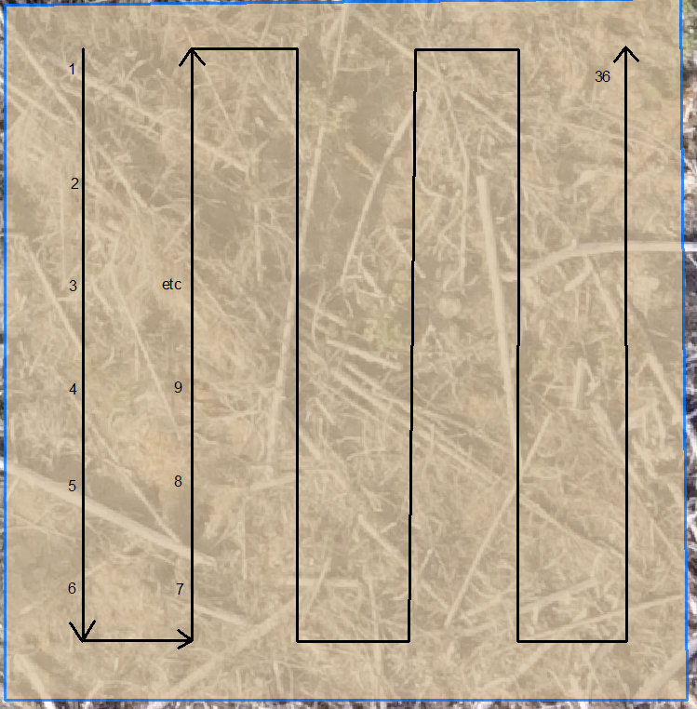
Fair | Good | Good | Good | Good | Good | Poor | Poor | Fair | Poor | Poor | Good | Good | Good | Good | Good | Good | Good
Good | Good | Good | Fair | Fair | Good | Poor | Poor | Poor | Fair | Fair | Fair | Good | Good | Good | Good | Good | Good
Good | Good | Good | Good | Fair | Good | Poor | Poor | Fair | Fair | Fair | Poor | Good | Good | Good | Good | Good | Good
 |  |  | Fair | Good | Fair | Good | Good | Fair | Fair | Fair | Poor | Fair | Fair | Fair
 |  |  | Good | Good | Moribund | Poor | Good | Poor | Good | Good | Poor | Poor | Poor | Fair
 |  |  | Dead | Good | Good | Good | Good | Fair | Fair | Poor | Poor | Poor | Poor | Poor
 |  |  | Good | Good | Fair | Fair | Poor | Dead | Good | Fair | Fair | Poor | Dead | Poor
 |  |  | Fair | Good | Good | Poor | Fair | Fair | Good | Fair | Poor | Fair | Poor | Poor
 |  |  | Good | Good | Good | Poor | Fair | Dead | Fair | Fair | Fair | Fair | Fair | Fair

